NRCC Headers
First & Last Page Heading
 | User input |  | auto calculated | From another Table |  | From look up table
STATE OF CALIFORNIA
Solar And Battery
NRCC-SAB-E |  |  |  |  | CALIFORNIA ENERGY COMMISSION
CERTIFICATE OF COMPLIANCE |  |  |  |  |  | NRCC-SAB-E
This document is used to demonstrate compliance with prescriptive PV and battery requirements in §140.10/§170.2 for nonresidential, multifamily and mixed-use buildings and prescriptive solar thermal requirements in §170.2(d)3C for multifamilyand hotel/ motel occupancies. When PV/battery/solar thermal requirements don't apply or are traded using the performance approach, this document demonstrates compliance with mandatory solar readiness requirements in §110.10/ §160.8 for newly constructed buildings which are either multifamily ten stories or fewer, hotel/motel ten stories or fewer or all other nonresidential buildings three stories or fewer. It is also used to demonstrate compliance with solar readiness in §110.10/ §160.8 for additions to nonresidential, multifamily or hotel/motel building types which add more than 2,000 ft2 of roof area. Alterations, or additions of less than 2,000 ft2 of roof area, are not required to comply with solar readiness, solar PV and battery requirements and do not need to complete this document.
Project Name: |  |  |  |  | Report Page: | Page 1 of ??
Project Address: |  |  |  |  | Date Prepared:

 | This is a heading. The project name, address and date prepared should be a user input on the first page, but that should populate the heading on all other pages.

Heading all other pages
STATE OF CALIFORNIA
Solar And Battery
NRCC-SAB-E |  |  |  |  | CALIFORNIA ENERGY COMMISSION
CERTIFICATE OF COMPLIANCE |  |  |  |  |  | NRCC-SAB-E
Project Name: |  |  |  |  | Report Page: | Page 1 of ??
Project Address: |  | Remove this field on all but first & last page header |  |  | Date Prepared:

LMCC Headers
First & Last Page Heading
 | User input |  | auto calculated | From another Table |  | From look up table
STATE OF CALIFORNIA
Solar And Battery
LMCC-SAB-01-E |  |  |  |  | CALIFORNIA ENERGY COMMISSION
CERTIFICATE OF COMPLIANCE |  |  |  |  |  | LMCC-SAB-01-E
This document is used to demonstrate compliance with prescriptive PV and battery requirements in §140.10/§170.2 for low-rise multifamily and low-rise mixed-use buildings and prescriptive solar thermal requirements in §170.2(d)3C for low-rise multifamily and hotel/motel occupancies. When PV/battery/solar thermal requirements don't apply or are traded using the performance approach, this document demonstrates compliance with mandatory solar readiness requirements in §110.10/ §160.8 for newly constructed buildings which are low-rise multifamily or low-rise mixed-use. It is also used to demonstrate compliance with solar readiness in §160.8 for additions to low-rise multifamily which add more than 2,000 ft2 of roof area. Alterations, or additions of less than 2,000 ft2 of roof area, are not required to comply with solar readiness, solar PV and battery requirements and do not need to complete this document.
Project Name: |  |  |  |  | Report Page: | Page 1 of ??
Project Address: |  |  |  |  | Date Prepared:

 | This is a heading. The project name, address and date prepared should be a user input on the first page, but that should populate the heading on all other pages.

Heading all other pages
STATE OF CALIFORNIA
Solar And Battery
LMCC-SAB-01-E |  |  |  |  | CALIFORNIA ENERGY COMMISSION
CERTIFICATE OF COMPLIANCE |  |  |  |  |  | LMCC-SAB-01-E
Project Name: |  |  |  |  | Report Page: | Page 1 of ??
Project Address: |  | Remove this field on all but first & last page header |  |  | Date Prepared:

NRCC J. PV&Batt
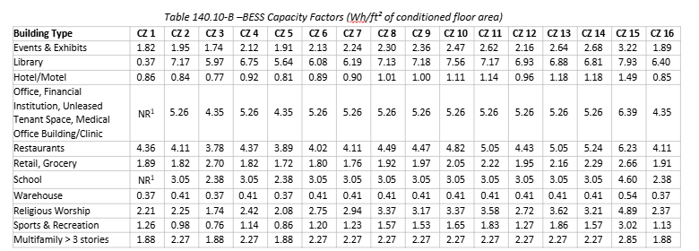
 |  | User input |  | auto calculated |  |  |  | From another Table |  | From look up table

J. PHOTOVOLTAIC (PV) AND BATTERY ENERGY STORAGE SYSTEMS
This table documents compliance with prescriptive photovoltaic and battery system requirements in §140.10/§170.2(g & h). Unless the project meets one of the listed exceptions or trades-off PV in an energy model using the performance path, §140.10/§170.2(g & h) requires installed photovoltaic and battery systems for newly constructed buildings. The installed PV systems must meet the minimum requirements in Joint Appendix 11. |  |  |  |  |  |  |  |  |  |  | NR Eq 140.10-A (same as HRR Eq 170.2-D)
Photovoltaic (PV) System
Equation 140.10-A/170.2-D Calculation Method
01 | 02 | 3 |  |  |  | 04
Building Type Occupancy | Conditioned Floor Area (ft2) | Tenant Space Exception to §140.10(a)/§170.2(g) (Must check all to meet Exception) |  |  |  | Min Size of PV System Required (kWdc)
Dropdown |  | ¨ | - Tenant space is served by HVAC system that does not serve other tenant spaces in the building
 |  | ¨ | - Tenant space has individual utility meter that does not include electric consumption of other tenant spaces in the building
 |  | ¨ | - Commission has not approved community solar program applicable to this project
 |  | ¨ | - Load serving entity does not provide program for virtual energy bill credits |  |  |  |  | Add Building Type | Remove Last
SARA Calculation Method
05 | 06 | 07 | 08 | 09 | 10 | 11 | 12 |  |  |  |  | CZ from A02, Bldg type from Col 01
Roof Name | Roof Slope | Area of New Roof1 (ft2) | Roof Area < 70% Solar Access2 (ft2) | Plansheet or Document showing Solar Access Calculations | Roof area occupied, no structural support, not available due to other state codes, < 80 contiguous ft2 | Solar Access Roof Area (SARA) (ft2) | Min SizeCapacity of PV System Required (kWdc) |  |  |  |  | 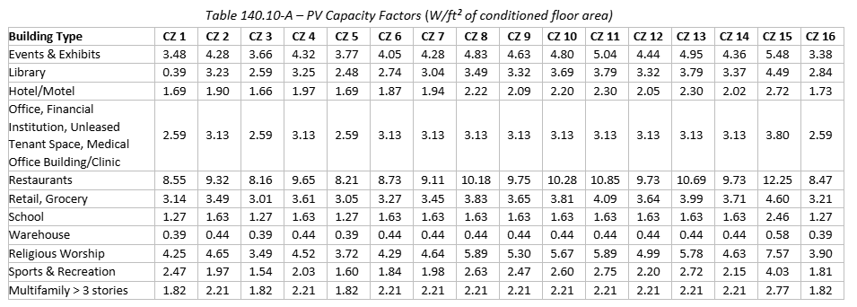
 |  |  | zero is acceptable |  | zero is acceptable | equals col03-col04-col06 |  | Add Roof Type | Remove Last
 |  |  |  |  |  | Total Min Size PV System Required (kWdc):
 |  |  |  |  |  | Total Size PV System in Design (kWdc):
1 FOOTNOTES: Includes the area of the building’s roof space capable of structurally supporting a PV system, and the area of all roof space on covered parking areas, carports, and all other newly constructed structures on the site that are compatible with supporting a PV system per Title 24, Part 2, Section 1511.2.
2 Solar access must be determined using CEC approved solar access calculation tools found at: https://www.energy.ca.gov/programs-and-topics/programs/building-energy-efficiency-standards/solar-assessment-tools
3 As specified by CBC Section 503.1.4

Occupancy Dropdown
Grocery
High-rise Multifamily
Financial Institution
Office (NA CZ 1)
Unleased Tenant Space ≤2,000 ft2 in Multitenant Building
Tenant Space >2,000 ft2 in Multitenant Building
Retail
School (NA CZ 1) | Roof Slope Dropdown
Warehouse (NA CZ 1) | <2:12
Auditorium Sports & Recreation | >= 2:12
Convention Center Events & Exhibits
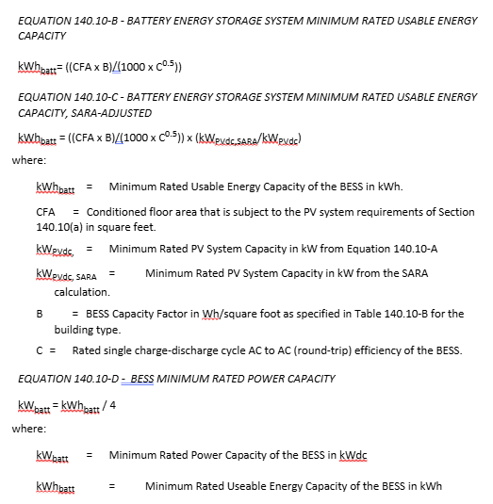
Hotel/Motel
Library
Medical Office/Clinic
Restaurant
Theater Religious Worship

Battery Energy Storage System (BESS)
Installed battery energy storage systems must meet the minimum requirements in Joint Appendix JA12. + ADD CEC CERTIFIED BY JA12 control install requirements
01 | 02 | 03 | 04 | 05
Building Type Occupancy | Min Size of PV Applicable To Battery Sizing (kWdc) | Rated Single Charge-Discharge AC Efficiency of BESS Battery System1 | Min Battery Rated Usable Energy Capacity of BESS Required (kWh) | Min Rated Power Capacity of BESS Battery Required (kWdc)
from Col 01 above | from Col 0803 above |  | Equation 140.10-B is (CFA x B)/(1000 * col03^0.5) Equation 140.10-C is ((CFA x B)/(1000 * col03^0.5)) * (H20/D10) | equals Col04 / 4
Total Min Energy (kWh) and Power (kW) Capacity Required: |  |  | equals Sum Col04 for all spaces | equals Sum Col05 for all spaces
Total Energy (kWh) and Power (kW) Capacity in Design:

1 FOOTNOTE: Rated single charge-discharge cycle AC to AC (round-trip) efficiency of the battery storage system

LMCC J. PV&Batt
 |  | User input |  | auto calculated |  |  |  | From another Table |  |  | From look up table

TOTAL REDESIGN FOR 2025
J. PHOTOVOLTAIC (PV) SYSTEMS
This table documents compliance with prescriptive photovoltaic system requirements in §170.2(f). Unless the project meets one of the listed exceptions or trades-off PV in an energy model using the performance path, §170.2(f) requires installed photovoltaic systems for newly constructed buildings. The installed PV systems must meet the minimum requirements in Joint Appendix 11. |  |  |  |  |  |  |  |  |  |  |  | Eq 170.2-C should be: ((CFA x A)/1000) + (Ndu x B)
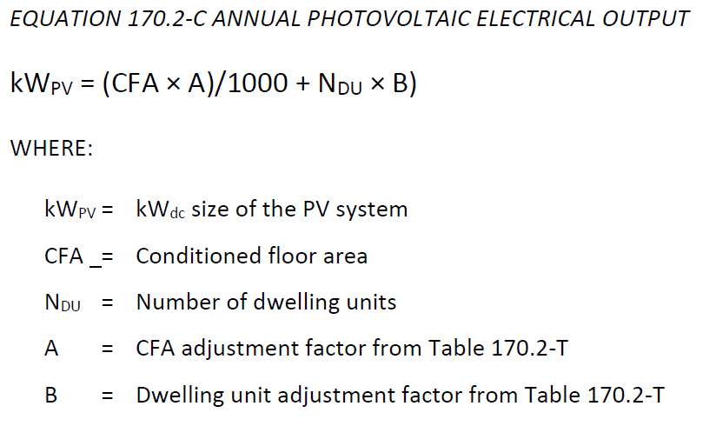
Photovoltaic (PV) System
Equation 170.2-C Calculation Method
01 | 02 |  | 03 |  | 04 |  | 05
Multifamily Building Name | Conditioned Floor Area (ft2) |  | # of Dwelling Units |  | Usable Capacity of Battery Storage BESS4 (kWh) |  | Min Capacity of PV System Required (kWdc)
 |  |  |  |  | zero is acceptable |  |  |  | Add Building Type | Remove Last
SARA Calculation Method
06 | 07 | 08 | 09 | 10 | 11 | 12 | 13
Roof Name | Roof Slope | Area of New Roof 1 (ft2) | Roof Area < 70% Solar Access2 (ft2) | Plansheet or Document showing Solar Access Calculations | Roof area occupied, no structural support, not available due to other state codes, < 80 contiguous ft2 5 | Solar Access Roof Area (SARA) (ft2) | Min Capacity of PV System Required (kWdc)
 |  |  |  |  |  |  |  |  | Add Building Type | Remove Last
 |  |  |  |  |  | Total Min Size PV System Required for all Roofs (kWdc):
 |  |  |  |  |  | Total Size PV System in Design (kWdc):

1 FOOTNOTES: Includes the area of the building’s roof space capable of structurally supporting a PV system, and the area of all roof space on covered parking areas, carports, and all other newly constructed structures on the site that are compatible with supporting a PV system per Title 24, Part 2, Section 1511.2.
2 Solar access must be determined using CEC approved solar access calculation tools found at: https://www.energy.ca.gov/programs-and-topics/programs/building-energy-efficiency-standards/solar-assessment-tools
3 As specified by CBC Section 503.1.4 |  |  |  |  |  |  |  |  |  |  |  | ^ If J.08 >=7.5, reduce PV system size calc'd by Equation 170.2-C (in J.08) by 25% & trigger note 4 in Table D.
4 PV system sizes determined using Equation 170.2-C may be reduced by 25% if installed in conjunction with a battery storage system. The battery storage system shall meet the qualification requirements specified in Joint Appendix JA12 and have a minimum usable capacity of 7.5 kWh.
5 For steep slope roofs, SARA shall not consider roof areas with a northerly azimuth that lies between 300 degrees and 90 degrees from true north. |  |  |  |  |  |  |  |  |  |  |  | CZ from A02 & CFA from A03
 | Roof Slope Dropdown
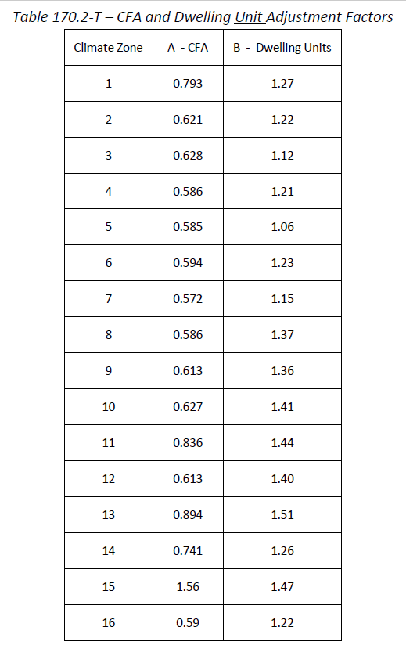
 | <2:12
 | >2:12

Signature
DOCUMENTATION AUTHOR'S DECLARATION STATEMENT
Documentation Author Name: | Documentation Author Signature:
Company: | Signature Date:
Address: | CEA/AEA/ECC HERS Certification Identification (if applicable):
City/State/Zip: | Phone:
RESPONSIBLE PERSON'S DECLARATION STATEMENT I certify the following under penalty of perjury, under the laws of the State of California: 1. The information provided on this Certificate of Compliance is true and correct. 2. I am eligible under Division 3 of the Business and Professions Code to accept responsibility for the building design or system design identified on this Certificate of Compliance (responsible designer) 3. The energy features and performance specifications, materials, components, and manufactured devices for the building design or system design identified on this Certificate of Compliance conform to the requirements of Title 24, Part 1 and Part 6 of the California Code of Regulations. 4. The building design features or system design features identified on this Certificate of Compliance are consistent with the information provided on other applicable compliance documents, worksheets, calculations, plans and specifications submitted to the enforcement agency for approval with this building permit application. 5. I will ensure that a completed signed copy of this Certificate of Compliance shall be made available with the building permit(s) issued for the building, and made available to the enforcement agency for all applicable inspections. I understand that a completed signed copy of this Certificate of Compliance is required to be included with the documentation the builder provides to the building owner at occupancy.
Responsible Designer Name: | Responsible Designer Signature:
Responsible Person Scope
Company: | Date Signed:
Address: | License:
City/State/Zip: | Phone:
Add Responsible Person
Remove Last

